Table 1
Inspection and test plan – Structural Concrete
Project no. |  |  |  |  |  | CC0374 |  | Project name |  |  |  | Pakenham Roads Upgrade |  |  |  |  |  |  | Date |  | 04/09/2023 |  |  |  |  | Approved by |  | Damian Hagebols
ITP no. |  |  | 1630-P200-SYM- QAC-ITP-0027 |  |  |  |  | Revision date |  |  |  | 2/08/2023 |  |  |  |  | Plant and equipment used |  |  |  |  |  | Concrete Boom Pump, Vibrators, Screeds, Trowels, Floats
Lot no. |  |  |  |  |  |  |  | Location (chainages, detailed description or marked up plan)
Attach Dockets, Certificates and QA Documents to ITP
 |  |  |  |  |  |  |  |  |  |  |  |  |  |  |  |  |  |  |  |  |  |  |  |  | Verification of acceptance by |  |  |  |  |  |  | Remarks/record (eg. Test frequency reports, certificates, checklist etc)
 |  |  |  |  |  |  |  |  |  |  |  |  |  |  |  |  |  |  |  |  |  |  |  |  | Symal |  |  |  | Superintendent
Item no. |  |  | Activity |  |  |  |  |  |  | Ref docs |  |  |  | Acceptance criteria |  |  |  |  |  |  |  | Freq |  |  | Key |  | Resp | Initial/ date | Key |  | Sign/ date
1.0 Pre-start activities
 |  |  | Concrete Grade, Exposure Classification and Cover Requirement |  |  |  |  |  |  | VR 610.04 AS5100.5 |  |  |  | The concrete grade, exposure classification and cover requirement of the structural element is confirmed and recorded below. |  |  |  |  |  |  |  | Prior to start of Works |  |  | H |  | SE
 |  |  |  |  |  |  |  |  |  |  |  |  |  | Concrete Grade:
1.1 |  |  |  |  |  |  |  |  |  |  |  |  |  | VR / . Exposure Classification:
 |  |  |  |  |  |  |  |  |  |  |  |  |  | .
 |  |  |  |  |  |  |  |  |  |  |  |  |  | Cover Requirement:
 |  |  |  |  |  |  |  |  |  |  |  |  |  | mm
1.2 |  |  | Concrete mix design approval |  |  |  |  |  |  | VR 610.07 AS 1379 |  |  |  | The concrete mix design for the specified grade has been approved by the Superintendent. The concrete mix design includes details on the cementitious material used in the Works along with CMRS registration number and test certificates endorsed by a AS ISO/IEC 17025 accredited laboratory. |  |  |  |  |  |  |  | Prior to start of Works |  |  | H |  | SE |  | H |  |  | TeamBinder Ref No.
 |  |  |  |  |  |  |  |  |  |  |  |  |  |  |  |  |  |  |  |  |  |  |  |  | Verification of acceptance by |  |  |  |  |  |  | Remarks/record (eg. Test frequency reports, certificates, checklist etc)
 |  |  |  |  |  |  |  |  |  |  |  |  |  |  |  |  |  |  |  |  |  |  |  |  | Symal |  |  |  | Superintendent
Item no. |  |  | Activity |  |  |  |  |  |  | Ref docs |  |  |  | Acceptance criteria |  |  |  |  |  |  |  | Freq |  |  | Key |  | Resp | Initial/ date | Key |  | Sign/ date

1.3 |  |  | Approval of procedures |  |  |  |  |  |  | VR 610.18(a) |  |  |  | The WMS, ITP’s and quality control checklists have been reviewed by the Superintendent. These documents shall include: • Conducted toolbox meetings of all concrete construction personnel on all aspects of the WMS, the ITPs, quality control checklist(s) and all specification requirements. • A site sampling and testing procedure with minimum frequencies of testing requirements. |  |  |  |  |  |  |  | Prior to start of Works |  |  | H |  | SE |  | H
1.4 |  |  | Curing methodology |  |  |  |  |  |  | VR 610.17(f) VR 610.23 |  |  |  | Full details of the proposed methods of curing, as part of the concrete mix design submission has been reviewed by the Superintendent. The curing method also includes any details on evaporative retarding compound and its application procedure including minimum application rates. |  |  |  |  |  |  |  | Prior to start of works |  |  | H |  | SE |  | H
2.0 Setting Out
2.1 |  |  | Setting Out |  |  |  |  |  |  | IFC Drawings |  |  |  | Survey set out as per the IFC drawings. The concrete will be constructed in accordance with the confirmed line, level, grade and cross- sectional profiles as shown on the drawings. The extent of the work has to be clearly pegged and underground servicers have been located. |  |  |  |  |  |  |  | Each lot |  |  | W |  | SE
3.0 Preliminaries
3.1 |  |  | Substrate preparation |  |  |  |  |  |  | VR 610.18(a) |  |  |  | Prior to placing concrete any absorbent surfaces including blinding concrete and construction joints shall be thoroughly moistened and excess free water shall be removed. |  |  |  |  |  |  |  | Each lot |  |  | R |  | SE
 |  |  |  |  |  |  |  |  |  |  |  |  |  |  |  |  |  |  |  |  |  |  |  |  | Verification of acceptance by |  |  |  |  |  |  | Remarks/record (eg. Test frequency reports, certificates, checklist etc)
 |  |  |  |  |  |  |  |  |  |  |  |  |  |  |  |  |  |  |  |  |  |  |  |  | Symal |  |  |  | Superintendent
Item no. |  |  | Activity |  |  |  |  |  |  | Ref docs |  |  |  | Acceptance criteria |  |  |  |  |  |  |  | Freq |  |  | Key |  | Resp | Initial/ date | Key |  | Sign/ date
3.2 |  |  | Construction Joints |  |  |  |  |  |  | VR 610.20 |  |  |  | Existing concrete, against which new concrete shall be placed, shall be roughened by removing all laitance and sufficient mortar to expose the coarse aggregate to a depth of 3 mm. The roughened surface shall be cleaned of foreign matter, laitance and loose or porous material. Permission has been gained, through the RFI process, from the Design Engineer to locate construction joints at locations other than shown on the IFC Drawings and approved by the Superintendent. |  |  |  |  |  |  |  | Each lot |  |  | R |  | SE
3.3 |  |  | Insertions and Greased Joints |  |  |  |  |  |  | VR 610.21 |  |  |  | Abutting surfaces of concrete shall be separated by grease or other surface coatings or insertions of bituminous impregnated felt or fibreboard as shown on the drawings, so as to prevent the surfaces from bonding or binding together. Dowels shall be placed as shown on the drawings and prior to placing the surrounding concrete. |  |  |  |  |  |  |  | Each lot |  |  | R |  | SE
3.4 |  |  | Steel Reinforcement / Embedded Items |  |  |  |  |  |  | VR 611 |  |  |  | The evidence that the forms, reinforcement, any stressing materials and embedments conforming to the requirements of this specification and the drawings, has been reviewed by the Superintendent. Approval shall be obtained in writing from the Superintendent for the use of steel reinforcing materials that are not covered by the long-term quality level of AS/NZS 4671 at least 14 days prior to the intended first date of use of such steel. Manufacturers and suppliers of steel reinforcement materials must be in possession of a current certificate of approval, issued by the Australian Certification Authority for Reinforcing Steel (ACRS). Evidence of compliance with this |  |  |  |  |  |  |  | Each lot |  |  | H |  | SE |  | H
 |  |  |  |  |  |  |  |  |  |  |  |  |  |  |  |  |  |  |  |  |  |  |  |  | Verification of acceptance by |  |  |  |  |  |  | Remarks/record (eg. Test frequency reports, certificates, checklist etc)
 |  |  |  |  |  |  |  |  |  |  |  |  |  |  |  |  |  |  |  |  |  |  |  |  | Symal |  |  |  | Superintendent
Item no. |  |  | Activity |  |  |  |  |  |  | Ref docs |  |  |  | Acceptance criteria |  |  |  |  |  |  |  | Freq |  |  | Key |  | Resp | Initial/ date | Key |  | Sign/ date
 |  |  |  |  |  |  |  |  |  |  |  |  |  | clause shall be submitted to the Superintendent within 14 days of award of the Contract.
3.5 |  |  | Steel reinforcement supports |  |  |  |  |  |  | VR 610.26(a) |  |  |  | Concrete bar chairs and spacers are manufactured from machine mixed concrete and shall have a minimum 28 day concrete compressive strength of 60 MPa when tested in accordance with AS 1012.9. Notwithstanding the requirements of AS/NZS 2425, concrete bar chairs and spacers shall have a maximum VPV value at 28 days of 12% when tested in accordance with AS 1012.21. A sample consisting of two specimens has been tested for each of compressive strength and VPV, in accordance with the sampling frequency as stated in clause 6.2 of AS/NZS 2425. Each concrete bar chair and spacer mix design has been tested for soluble salts (chloride ion and sulphate ion content) in accordance with AS 1012.20.1 on a 12 monthly basis or earlier if the mix design changes to demonstrate compliance with the requirements of clause 610.07(k) for soluble salts. |  |  |  |  |  |  |  | Each lot |  |  | H |  | SE
4.0 Installation of Structural Concrete
4.1 |  |  | Reinforcement Placement |  |  |  |  |  |  | VR 610.26(b) |  |  |  | All steel reinforcement is securely held during placing and compacting of the concrete. Steel reinforcement supports comply with AS/NZS 2425. The supports are made of durable materials strong enough to withstand the imposed loads without movement of the steel reinforcement as specified in this section, shall be positively attached to the steel reinforcement, and of such size as to maintain the specified cover. All steel reinforcement is securely held with the correct tie wire during placing and compacting of the concrete. The supports shall be positively attached to the steel reinforcement, and of such |  |  |  |  |  |  |  | Each Lot |  |  | H |  | SE
 |  |  |  |  |  |  |  |  |  |  |  |  |  |  |  |  |  |  |  |  |  |  |  |  | Verification of acceptance by |  |  |  |  |  |  | Remarks/record (eg. Test frequency reports, certificates, checklist etc)
 |  |  |  |  |  |  |  |  |  |  |  |  |  |  |  |  |  |  |  |  |  |  |  |  | Symal |  |  |  | Superintendent
Item no. |  |  | Activity |  |  |  |  |  |  | Ref docs |  |  |  | Acceptance criteria |  |  |  |  |  |  |  | Freq |  |  | Key |  | Resp | Initial/ date | Key |  | Sign/ date
 |  |  |  |  |  |  |  |  |  |  |  |  |  | size as to maintain the specified cover. Bar chairs and spacers shall be placed sufficiently close together to ensure that the specified cover is maintained before and during concrete placement, compaction and finishing operations, and to prevent any potential deformation, displacement or crushing of the bar chairs and spacers such that deformation or displacement of the steel reinforcement is also prevented.
4.2 |  |  | Early Age Thermal Cracking / Thermocouplers |  |  |  |  |  |  | VR610.22 |  |  |  | Measures have been taken to control early age thermal cracking of concrete for large and restrained members including but not be limited to crossheads, diaphragms, columns, abutments, footings and pile caps where: (a) the least dimension of a member exceeds 500 mm; or (b) one or more faces of a concrete member is restrained by previously placed hardened concrete or by other external restraints. Temperature differential monitoring is installed (unless already undertaken on at least one representative member from each type of large and restrained members, provided that any required control measures to reduce the differential temperature within the specified limits is adopted for the subsequent construction of members of the same type). |  |  |  |  |  |  |  | Each Lot |  |  | H |  | SE
4.3 |  |  | Pre-pour inspection |  |  |  |  |  |  | VR 610 |  |  |  | Pre pour inspection to be conducted prior to placement of concrete. All formworks shall be erected as per specifications and all reinforcements shall be installed as per specifications. The specified minimum concrete cover shall be maintained at tie wire positions. Excess tie wire shall be cut off and the twisted ends of wire ties shall project away from the cover zone. |  |  |  |  |  |  |  | Each Lot |  |  | H |  | SE |  | H
 |  |  |  |  |  |  |  |  |  |  |  |  |  |  |  |  |  |  |  |  |  |  |  |  | Verification of acceptance by |  |  |  |  |  |  | Remarks/record (eg. Test frequency reports, certificates, checklist etc)
 |  |  |  |  |  |  |  |  |  |  |  |  |  |  |  |  |  |  |  |  |  |  |  |  | Symal |  |  |  | Superintendent
Item no. |  |  | Activity |  |  |  |  |  |  | Ref docs |  |  |  | Acceptance criteria |  |  |  |  |  |  |  | Freq |  |  | Key |  | Resp | Initial/ date | Key |  | Sign/ date
 |  |  |  |  |  |  |  |  |  |  |  |  |  | Contact between carbon steel and galvanised steel reinforcement or carbon steel and stainless- steel reinforcement or other similar metal embedment’s shall not be allowed.
4.4 |  |  | Concrete Batching |  |  |  |  |  |  | VR 610.14 |  |  |  | Alternative supplies of concrete are available from stand-by mixing plant(s) capable of being operated immediately in case of breakdown, together with adequate supplies of cementitious material, fine and coarse aggregates for an approved compatible mix(es). |  |  |  |  |  |  |  | Each Lot |  |  | H |  | SE
4.5 |  |  | Placing, compacting and finishing concrete |  |  |  |  |  |  | VR610.13 VR610.18 |  |  |  | Concrete shall not be mixed when the air temperature is lower than 5°C or greater than 35°C. Discharge Time to be 60 minutes unless mix design is approved by the Superintendent for 90 minutes. Concrete shall not be dropped from a height exceeding 2m. In continuous concrete pours, the maximum time lag between truck loads on site shall not exceed 25 minutes. If water is required to be added, it can be done so no more than if 60 minutes have elapsed from the time of adding cement and before commencing discharge. Concrete samples including slump test to be taken after adding water. Concrete shall be thoroughly compacted by internal vibrators of appropriate size and supplemented by external form vibrators. |  |  |  |  |  |  |  | Each Lot |  |  | H |  | SE |  |  |  |  | Concrete pour record attached Yes □ No □
 |  |  |  |  |  |  |  |  |  |  |  |  |  |  |  |  |  |  |  |  |  |  |  |  | Verification of acceptance by |  |  |  |  |  |  | Remarks/record (eg. Test frequency reports, certificates, checklist etc)
 |  |  |  |  |  |  |  |  |  |  |  |  |  |  |  |  |  |  |  |  |  |  |  |  | Symal |  |  |  | Superintendent
Item no. |  |  | Activity |  |  |  |  |  |  | Ref docs |  |  |  | Acceptance criteria |  |  |  |  |  |  |  | Freq |  |  | Key |  | Resp | Initial/ date | Key |  | Sign/ date
 |  |  |  |  |  |  |  |  |  |  |  |  |  | When the value of the rate of evaporation as determined from Figure 610.171 exceeds 0.50 kg/m² per hour precautions to minimise evaporative moisture losses such as the application of an aliphatic alcohol based evaporative retarding compound or controlled fog spray are taken. The evaporative retarding compound, when required, is to be applied immediately after initial screeding. The remaining finishing operations can be carried out after application of the compound. An evaporative retarding compound is used for concrete decks and slabs. Records of water added to agitator drum are made available for review by the Superintendent.
4.6 |  |  | Concrete Testing (Compressive Strength, VPV and Slump) |  |  |  |  |  |  | VR 610.16 Table 610.161 Table 610.162 Table 610.131 |  |  |  | When concrete is being cast into a structural member, it shall be tested with a frequency in accordance with table 610.161. For volume casts in one continuous operation: • 0-10m3 : 1 sample must be tested • 10-25m3: 2 samples must be tested • 25-50m3: 3 samples must be tested • 50-100m3:4 samples must be tested. For each additional 50m3, one additional sample must be tested. The concrete samples shall conform with the testing requirements of VR 610.16. This includes a slump test being conducted to test the consistency of the concrete. With tolerances to be for specified slump of: • <60mm: +-10mm • 60-80mm: +-15mm • 80-110mm: +-20mm • 110-150mm: +-30mm • >150mm: +- 40mm |  |  |  |  |  |  |  | Each Lot |  |  | R |  | SE
 |  |  |  |  |  |  |  |  |  |  |  |  |  |  |  |  |  |  |  |  |  |  |  |  | Verification of acceptance by |  |  |  |  |  |  | Remarks/record (eg. Test frequency reports, certificates, checklist etc)
 |  |  |  |  |  |  |  |  |  |  |  |  |  |  |  |  |  |  |  |  |  |  |  |  | Symal |  |  |  | Superintendent
Item no. |  |  | Activity |  |  |  |  |  |  | Ref docs |  |  |  | Acceptance criteria |  |  |  |  |  |  |  | Freq |  |  | Key |  | Resp | Initial/ date | Key |  | Sign/ date
 |  |  |  |  |  |  |  |  |  |  |  |  |  | The compressive strength of the concrete shall be tested with a minimum of 1 sample being tested at 7 days and 2 samples being tested at 28 days.
4.7 |  |  | Surface Finish |  |  |  |  |  |  | VR610.31 IFC drawings |  |  |  | The surface finish shall be as per the drawings and VR610.31. Where the surfaces finishes are not specified in the drawings, surface finish shall be class 1,2 or 3. Class 1 finish shall be a uniform colour and texture with no defects which structurally affect the concrete. Class 2 finish shall achieve a concrete surface of uniform colour and texture and be free from any major surface defect. A class 3 finish shall achieve a concrete surface of uniform colour and texture and free from surface defects. |  |  |  |  |  |  |  | Each Lot |  |  | R |  | SE
4.78 |  |  | Curing of Concrete |  |  |  |  |  |  | VR 610.23 AS3799 Table 610.231 |  |  |  | The curing of exposed concrete surfaces shall commence immediately after finishing operations are progressively completed at any location and shall continue uninterrupted for not less than the periods specified in Table 610.231. Methods of curing appropriate to job include, and are not limited to; • Water Curing • Curing compound • Polyethylene Sheet • Maintaining Formwork in Place • Steam or Radiant Heat Curing |  |  |  |  |  |  |  | Each Lot |  |  | R |  | SE
4.9 |  |  | Formwork Stripping |  |  |  |  |  |  | VR 610.25 Table 610.251 |  |  |  | Formwork shall be removed as per specified in VR 610.25. |  |  |  |  |  |  |  | Each Lot |  |  | R |  | SE
4.10 |  |  | Curing of Concrete (after stripping) |  |  |  |  |  |  | VR 610.23 Table 610.231 |  |  |  | Immediately after stripping any formwork curing has commenced to the approved procedure and minimum durations. |  |  |  |  |  |  |  | Each Lot |  |  | R |  | SE
 |  |  |  |  |  |  |  |  |  |  |  |  |  |  |  |  |  |  |  |  |  |  |  |  | Verification of acceptance by |  |  |  |  |  |  | Remarks/record (eg. Test frequency reports, certificates, checklist etc)
 |  |  |  |  |  |  |  |  |  |  |  |  |  |  |  |  |  |  |  |  |  |  |  |  | Symal |  |  |  | Superintendent
Item no. |  |  | Activity |  |  |  |  |  |  | Ref docs |  |  |  | Acceptance criteria |  |  |  |  |  |  |  | Freq |  |  | Key |  | Resp | Initial/ date | Key |  | Sign/ date
4.11 |  |  | Coating of concrete (if applicable) |  |  |  |  |  |  | VR 686 |  |  |  | The procedures and surface preparation in accordance with clause 686.06 have been reviewed and accepted by the Superintendent. Coating of concrete shall be as per VR 686. Coating has not proceeded without trial coating application with outcomes reviewed and approved by the Superintendent. |  |  |  |  |  |  |  | Each Possession |  |  | H |  | SE |  | H
4.12 |  |  | Measurement of concrete cover to reinforcement |  |  |  |  |  |  | VR 610.34 |  |  |  | A concrete cover measurement survey shall be conducted after construction on a representative and randomly selected number of exterior surface areas, using a concrete cover meter in at least 3 m2 test area for every 25m2. Records to be available for review by the Superintendent. |  |  |  |  |  |  |  | Each Lot |  |  | R |  | SE
4.13 |  |  | Cracking of Concrete |  |  |  |  |  |  | VR610.24 Table 610.241 |  |  |  | Cracks may be no wider than 0.1-0.2mm depending on exposure classification in Table 610.241. Minor surface imperfections are repaired in accordance with VR 689. The assessment of cracks has been undertaken by a specialist with at least 5 years’ experience in concrete structures. |  |  |  |  |  |  |  | Each Lot |  |  | H |  | SE |  | H
4.14 |  |  | Backfilling |  |  |  |  |  |  | VR 610.35 |  |  |  | No fill material is placed against concrete within 14 days of casting in accordance with the requirements of clause 204.11 of Section 204. Proposed placement of fill material against concrete prior to 14 days from casting shall comply with the early application of loading requirements of clause 610.16(l) or maturity testing requirements of clause 610.16(m). |  |  |  |  |  |  |  | Each Lot |  |  | H |  | SE
5.0 Completion
 |  |  |  |  |  |  |  |  |  |  |  |  |  |  |  |  |  |  |  |  |  |  |  |  | Verification of acceptance by |  |  |  |  |  |  | Remarks/record (eg. Test frequency reports, certificates, checklist etc)
 |  |  |  |  |  |  |  |  |  |  |  |  |  |  |  |  |  |  |  |  |  |  |  |  | Symal |  |  |  | Superintendent
Item no. |  |  | Activity |  |  |  |  |  |  | Ref docs |  |  |  | Acceptance criteria |  |  |  |  |  |  |  | Freq |  |  | Key |  | Resp | Initial/ date | Key |  | Sign/ date
5.1 |  |  | As Built Survey |  |  |  |  |  |  | IFC Drawings Table 610.471 Table 610.472 Table 610.473 |  |  |  | Survey as built will consist of: •All surfaces satisfy lines, levels, thicknesses and cross sections as specified on the drawings within the specified tolerances. The tolerances are as per Tables 610.471 610.472 and 610.473 For placing of reinforcement and post tensioning sheathing, this is +-5mm. For concrete cover, this is 0 to +5mm. •Section dimensions shall be as per design drawings |  |  |  |  |  |  |  | Each Lot |  |  | R |  | SE |  |  |  |  | Survey Conformance Report Attached Yes □ No □
5.2 |  |  | Test Reports |  |  |  |  |  |  | VR 610 |  |  |  | All Test reports received and Reviewed. |  |  |  |  |  |  |  | Each lot |  |  | R |  | SE |  |  |  |  | NATA Endorsed Test Reports Yes □ No □
5.3 |  |  | Temperature Data |  |  |  |  |  |  | VR 610.22 |  |  |  | The maximum internal temperature of all concrete members following concrete placement has not exceeded 75°C. Except where justified by analysis and testing, the temperature differential across the concrete member being constructed shall not exceed 20°C during the period of curing. |  |  |  |  |  |  |  | Each lot |  |  | R |  | SE |  |  |  |  | Thermal Data
5.4 |  |  | Product Non-Conformance |  |  |  |  |  |  | CQMP |  |  |  | All Product Non-Conformance(s) recorded and closed (if applicable) |  |  |  |  |  |  |  | Each lot |  |  | R |  | SE |  |  |  |  | NCR No: Yes □ No □ NCR reports
5.5 |  |  | Quality Representative to check the above criteria and records to confirm |  |  |  |  |  |  | CQMP Lot Records |  |  |  | All above criteria met, and records identified attached. |  |  |  |  |  |  |  | Each lot |  |  | R |  | SE |  |  |  |  | Completed Checklist (if applicable) and reports and other compliance records attached.
Works complete (signer SE) |  |  |  |  |  |  |  |  |  |  | Date works complete
Lot conforms (signer PE) |  |  |  |  |  |  |  |  |  |  | Date lot closed |  |  |  | NCR/s no. raised |  |  |  |  |  |  |  |  |  |  |  | Date NCR closed for this lot

Responsibility (Resp.) Key: PM-Project Manager, PE-Project Engineer, SE- Site Engineer, CS-Civil Superintendent, SS-Site Supervisor, SV-Surveyor, CR-Client Representative, SI- Superintendent Inspection Key : W – Witness, H – Hold Point, S – Surveillance R– Review I– Inspection
Table 610.161
Table 610.241 |  |  |  |  |  |  |  |  |  |  |  |  |  |  |  |  |  |  |  |  |  |  |  |  |  |  | Exposure Classification |  |  | Maximum Acceptable Crack Widths (mm)
 |  |  |  |  |  |  |  |  |  |  |  |  |  |  |  |  |  |  |  |  |  |  |  |  |  |  | A |  |  | 0.20
 |  |  |  |  |  |  |  |  |  |  |  |  |  |  |  |  |  |  |  |  |  |  |  |  |  |  | B1 |  |  | 0.20
 |  |  |  |  |  |  |  |  |  |  |  |  |  |  |  |  |  |  |  |  |  |  |  |  |  |  | B2 |  |  | 0.15
 |  |  |  |  |  |  |  |  |  |  |  |  |  |  |  |  |  |  |  |  |  |  |  |  |  |  | C, U |  |  | 0.10
Volume Cast in One Continuous Operation (cubic metre) |  |  |  |  |  |  | Minimum Number of Samples
0 to 10 |  |  |  |  |  |  | 1
10 to 25 |  |  |  |  |  |  | 2
25 to 50 |  |  |  |  |  |  | 3
50 to 100 |  |  |  |  |  |  | 4
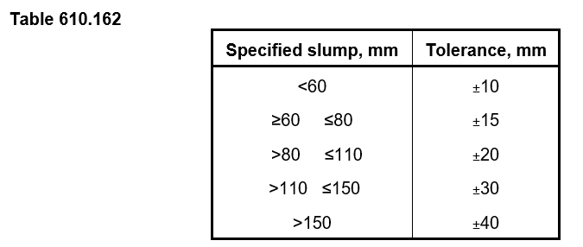
For each additional 50 m³ one additional sample shall be taken.

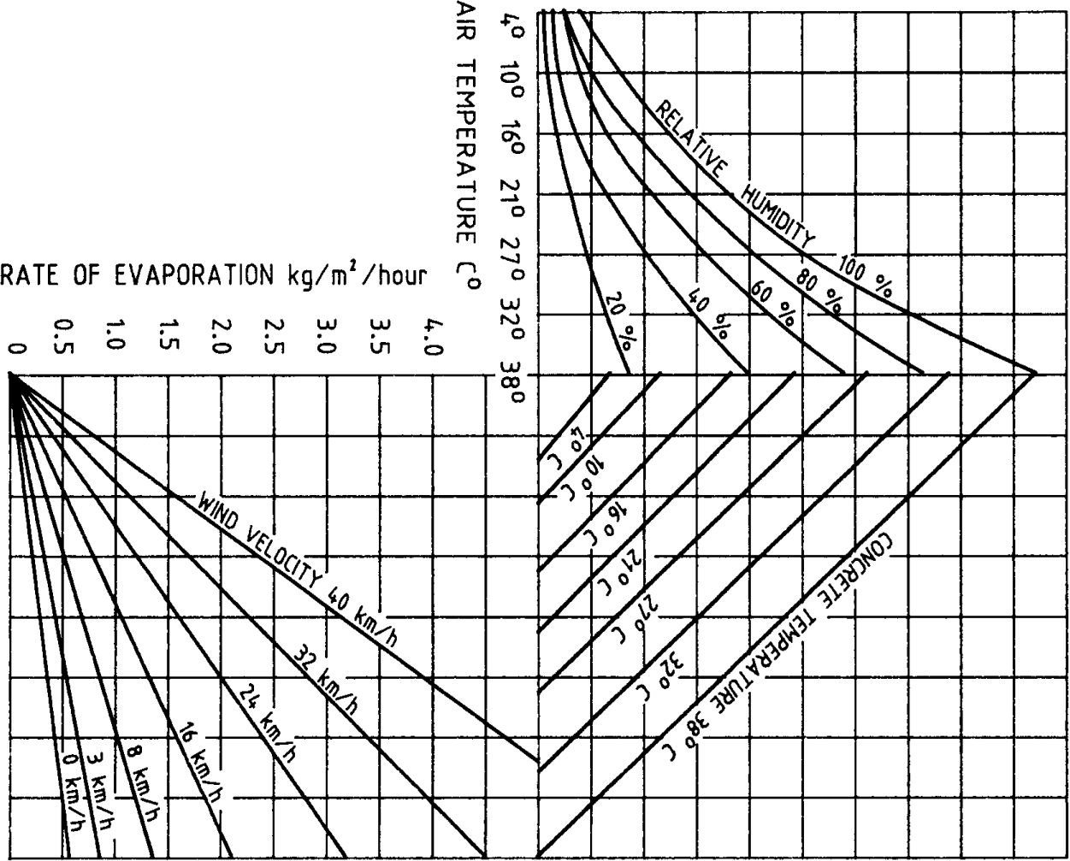
Figure 610.171- Evaporation of Water from Freshly Placed Concrete

Table 610.231
 |  |  |  |  |  |  |  |  | Periods of Curing (excluding steam and radiant heat curing)
 |  |  |  |  |  |  |  |  | Concrete Grade |  |  |  | Exposure Classification |  |  |  |  | Type of Cement |  | Periods of Curing (days)
 |  |  |  |  |  |  |  |  |  |  |  |  |  |  |  |  |  |  |  | Average Air Temperature During Curing
 |  |  |  |  |  |  |  |  |  |  |  |  |  |  |  |  |  |  |  | 10°C to 17°C |  |  |  | Above 17°C
 |  |  |  |  |  |  |  |  | VR330/32 |  |  |  | A, B1 |  |  |  |  | GP |  | 7 |  |  |  | 6
 |  |  |  |  |  |  |  |  |  |  |  |  |  |  |  |  |  | GB |  | 9 |  |  |  | 8
 |  |  |  |  |  |  |  |  | VR400/40 |  |  |  | B2 |  |  |  |  | GP |  | 6 |  |  |  | 5
 |  |  |  |  |  |  |  |  |  |  |  |  |  |  |  |  |  | GB |  | 8 |  |  |  | 7
 |  |  |  |  |  |  |  |  | VR450/50 VR470/55 |  |  |  | C1, C2 |  |  |  |  | GP |  | 5 |  |  |  | 5
 |  |  |  |  |  |  |  |  |  |  |  |  |  |  |  |  |  | GB |  | 7 |  |  |  | 7
For concrete decks and slabs, the periods of curing shall be extended by 2 days.
Notes: 1. Type of cement: GP - General purpose portland cement GB - General purpose blended cement 2. When the average air temperature during the specified periods of curing falls below 10°C, the periods of curing shall be extended by 2 days. 3. Where a higher concrete grade is adopted than that shown for a particular exposure classification, the periods of curing for the higher concrete grade may be adopted.
Table 610.251
Concrete Members |  |  |  |  |  |  |  |  |  |  |  |  |  |  |  | Minimum Period before Removal of Formwork and Formwork Supports
Soffits of beams, soffits of decks, soffits of slabs, soffits of cantilevers, soffits of diaphragms, soffits of pier and abutment crossheads and soffits of other structural members. |  |  |  |  |  |  |  |  |  |  |  |  |  |  |  | 7 days or until such time as the concrete has reached the specified 7 day compressive strength, whichever is the greater.
(a) |  | Vertical faces of members when height of each day's cast is: |  |  |  |  |  |  |  |  |  |  |  |  |  | 5 days
 |  | (i) |  |  | Columns - greater than 7 metres
 |  | (ii) |  |  | Walls - greater than 4 metres
(b) |  | Load supporting sides of sloping walls of box girders.
(a) |  | Vertical faces of members when height of each day's cast is: |  |  |  |  |  |  |  |  |  |  |  |  |  | 3 days
 |  | (i) |  |  | Columns - 4 to 7 metres
 |  | (ii) |  |  | Walls - 2 to 4 metres
(b) | Vertical faces of beams and pier and abutment crossheads
(c) | Vertical faces of pad footings.
Vertical faces of members when height of each day's cast is: |  |  |  |  |  |  |  |  |  |  |  |  |  |  |  | 2 days
 | (i) |  |  | Columns - less than 4 metres
 | (ii) |  |  | Walls - less than 2 metres
Sides of slabs and piles. |  |  |  |  |  |  |  |  |  |  |  |  |  |  |  | 1 day
Where Type GB cement is used, the times for removal of formwork and formwork supports shall be increased by 1 day. This requirement shall not apply to vertical faces of beams and crossheads, columns and walls when the height of each day's cast is less than 4 metres or 2 metres respectively, or the sides of slabs and piles.

 |  |  | 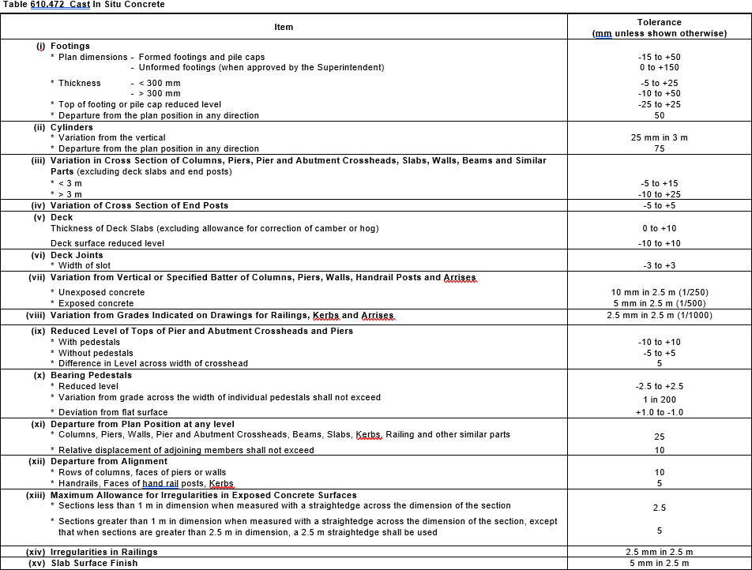

 |  |  | 